SURRENDER BL REQUEST - CKLINE
본사
우) 100-845 서울시 중구 을지로 80-1 (보승빌딩 7층) TEL : (02) 3788-6800 FAX:(02)757-2891/8228
BOSEUNG B/D 7F, 80-1, EULJI-RO, JUNG-GU, SEOUL,KOREA
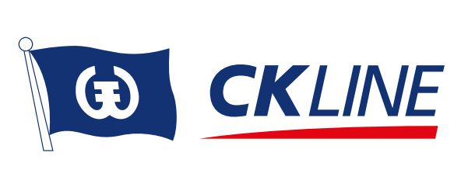

Surrender Request

DATE | (DATE)
TO | CKLINE CO., LTD
FROM | (Company name) | (Attn name)
Name of B/L Shpr | (Name of B/L Shpr)

B/L No. | (No.)
ON BOARD DATE | (DATE)
POL / POD | (POL) | (POD)
Vessel | (Vessel Name) | (Voyage No.)
Container | (Type) | (Qtty)
Container No. | (Nos.)

Name of Consignee | (Name of Consignee)
Address of Consignee | (Address of Consignee)

We are the shipper of the captioned shipment and we hereby request you to deliver the subject cargo(please see above for details) to (above mentioned consignee) without presentation of any original Bill(s) of Lading. In consideration of your complying with our above request, we here by agree as it follows.
1. We indemnify you, your principals, their and your servants and/or agents and hold you harmless in respect of any liability, loss or whatsoever nature which you, your servants and/or agents may sustain by reason of the delivery of the goods in accordance with our above request. We take all the responsibility on release cargo to above mentioned consignee. 2. To be bound by all the stipulations, exceptions, terms and conditions on the face and back of CKLINE original Bill(s) of Lading, any local custom or privilege to the contrary notwithstanding. 3. The Surrender Request shall be governed and construed in accordance with Korean Law and any action there under must be brought before the Seoul District Court in Korea.
2015 . . .
(B/L SHIPPER 직인명판) ※ 반드시 실화주 직인명판으로 찍어주세요 !

